INVOICE

DONGGUAN HUIFA IMPORT AND EXPORT CO.,LTD
SHOP D, BLOCK 2, BIYA YUAN, BIHUALI VILLA GARDEN, HENGKENG, LIAOBU TOWN, DONGGUAN CITY, CHINA

COMMERCIAL INVOICE
Buyer | TGCO COMPANY LIMITED TAX NO: 0317134838 ADDRESS: 958 VINH LOC ROAD, VINH LOC B WARD, BINH CHANH DISTRIC,HO CHI MINH CITY,VIET NAM |  |  | INVOICE NO: | XLTSD22080091
 |  |  |  | DATE: | AUG 27,2022
Messrs
 |  |  | Payment Condition
 |  |  | 60days after delivery
From: | SHEKOU |  | TO: HAIPHONG,VIEINAM

Marks & Nos |  | Descriptions | QTY (PCS, ROLL) | UNIT PRICE (USD) | AMOUNT (USD)
 |  |  |  | CFR HAI PHONG
 |  | Plastic chair | 45 | $4.00 | $180.00
 |  | led light ( roll) | 1387 | $1.50 | $2,080.50
 |  | led light D15cm | 1 | $5.00 | $5.00
 |  | Led Light D5cm*15cm | 35 | $2.00 | $70.00
 |  | Led light D65cm | 6 | $8.00 | $48.00
 |  | Led light D1cm | 2 | $5.00 | $10.00
 |  | Led Light D25cm | 1 | $5.00 | $5.00
 |  | Led light ( 15*18*55) | 5 | $8.00 | $40.00
 |  | Housing for led | 28 | $8.00 | $224.00
 |  | Kitchen cabinet set
 |  | Kitchen Hood | 1 | $100.00 | FOC | $100.00
 |  | Microwave | 1 | $85.00 | FOC | $85.00
 |  | dishwasher | 1 | $250.00 | FOC | $250.00
 |  | OVEN | 1 | $105.00 | FOC | $105.00
 |  | Induction cooker | 1 | $60.00 | FOC | $60.00
 |  | Kitchen cabinet | 1 | $400.00 | FOC | $400.00
Total (CFR HAI PHONG, VIETNAM) |  |  | 1516 |  | $3,662.50
In written: United States Dollars three thousand six hundred sixty two and cents fifty only /.
Made in China New 100%
Kitchen cabinet set: No business
Payment: 60days after delivery
 |  | THE SELLER:
 |  | DONGGUAN HUIFA IMPORT AND EXPORT CO.,LTD

CONTRACT
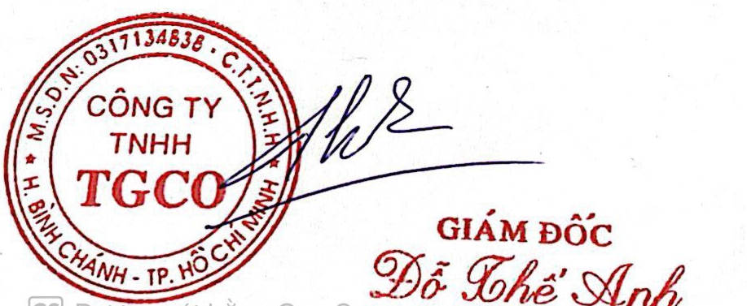
SALES CONTRACT
 |  | NO: TGCO82022-1
 |  | DATE: AUG 20 ,2022
THE SELLER: DONGGUAN HUIFA IMPORT AND EXPORT CO.,LTD
ADD:SHOP D, BLOCK 2, BIYA YUAN,BIHUALI VILLA GARDEN, HENGKENG, LIAOBU TOWN, DONGGUAN CITY, CHINA

THE BUYER : TGCO COMPANY LIMITED
ADDRESS: 958 VINH LOC ROAD,VINH LOC B WARD,BINH CHANH DISTRIC,HO CHI MINH CITY,VIET NAM

The seller agrees to sell and the buyer agrees to sign this contract on the terms and conditions stated below:

ARTICLE 1 : COMMODITY AND SPECIFICATION
Marks & Nos | Descriptions | Q'TY (pcs/roll) | UNIT PRICE (USD) |  | AMOUNT (USD)
 |  |  | CFR HAI PHONG
N/M | Plastic chair | 45 | $4.00 |  | $180.00
 | led light ( roll) | 1387 | $1.50 |  | $2,080.50
 | led light D15cm | 1 | $5.00 |  | $5.00
 | Led Light D5cm*15cm | 35 | $2.00 |  | $70.00
 | Led light D65cm | 6 | $8.00 |  | $48.00
 | Led light D1cm | 2 | $5.00 |  | $10.00
 | Led Light D25cm | 1 | $5.00 |  | $5.00
 | Led light ( 15*18*55) | 5 | $8.00 |  | $40.00
 | Housing for led | 28 | $8.00 |  | $224.00
 | Kitchen cabinet set
 | Kitchen Hood | 1 | $100.00 | FOC | $100.00
 | Microwave | 1 | $85.00 | FOC | $85.00
 | dishwasher | 1 | $250.00 | FOC | $250.00
 | OVEN | 1 | $105.00 | FOC | $105.00
 | Induction cooker | 1 | $60.00 | FOC | $60.00
 | Kitchen cabinet | 1 | $400.00 | FOC | $400.00
Total (CFR HAI PHONG, VIETNAM) |  | 1516 |  |  | $3,662.50
In written: United States Dollars three thousand six hundred sixty two and cents fifty only /.
Made in China New 100%
Payment: 60days after delivery by TT advance
Allowed:Partial delivery and before december 31,2022
ARTICLE 2: SHIPMENT
Transhipment : Allowed Partial shipment : Allowed
Port of loading : SHEKOU ,CHINA Port of destination: HAIPHONG,VIETNAM

ARTICLE 3: PAYMENT
BANK OF DEPOSIT：FOSHAN INTERNATIONAL LOGISTICS CO.,LTD Add: Room 314,3/F,Dongjian comercial building, north 2.Jincun Ave, Xinlong Village.LecongTown, Shunde area.Foshan City.China Bank Name: BANK OF CHINA SHUNDE LECONG SUB-BRANCH USD account No: 644472615461 Swift code:BKCHCNBJ44B Bank address:A39.XINMA RD.,LECONG TOWN, SHUNDE,FOSHAN CITY

ARTICLE 4: DOCUMENT
The Seller shall present packing list, commercial invoice,contract, ETC…

ARTICLE 5: GENERAL TERMS
Any amendment to this contract shall be only valid if made in writen and dully confirmed by both Paties
This contract is made in two English copies with equal value, each party keep two for execution and effect from
the date of signing until DEC 31, 2023.

THE BUYER |  | THE SELLER

